Test
Shops and shopping

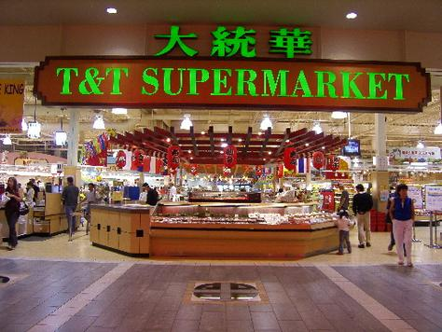
1. | In the shop we ask the assistant: | 1
 |  |  | "What can I do for you?"
 |  |  | "I'm looking for something to wear"
 |  |  | "How much is this?"
2. | The usual containers for food are:
 |  |  | bags, pounds, glasses, plates, forks
 |  |  | bags, packets, bottles, cans, cartoons
 |  |  | bottles, loaves, cups, vases, pots
3. | When British people fell ill, they go to:
 |  |  | The Chemist's
 |  |  | The Drug Stores
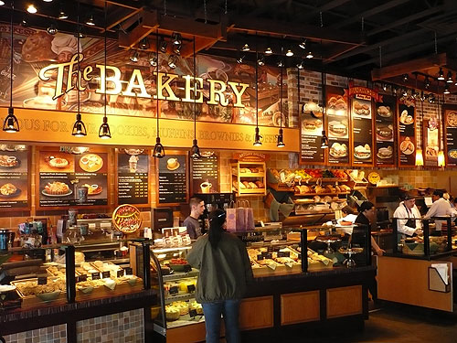
 |  |  | The Tabacco
4. | The big department store has:
 |  |  | The butcher's, the greengrocer's, fishmonger's
 |  |  | ready-made clothes, second hand, the dairy
 |  |  | Household goods, millinary, stationary
5. | A person making a complaint appeals to
 |  |  | a shop assistant
 |  |  | a manager
 |  |  | a cashier
6. | Advertising is:
 |  |  | a type of mass media
 |  |  | an article in the newspaper
 |  |  | a motive power of trade

